n input
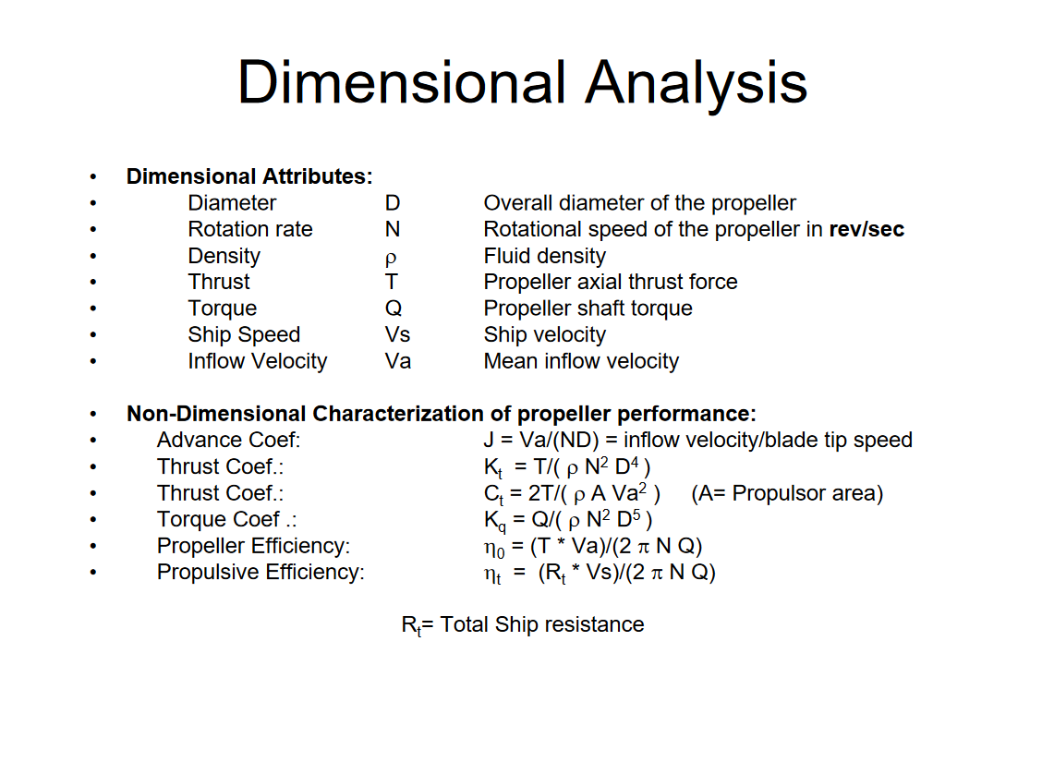
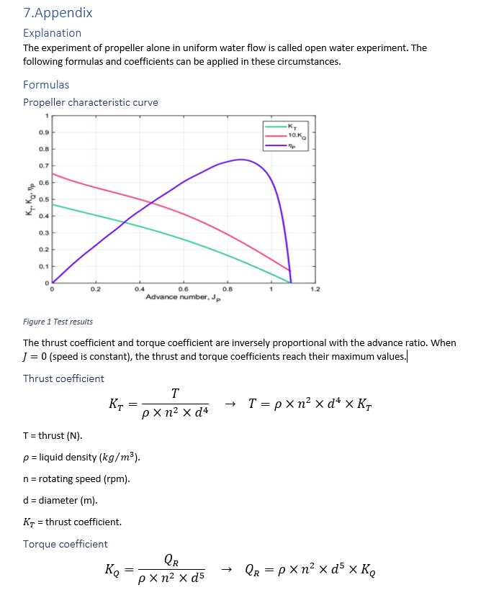
Input |  |  | Output |  |  |  | Emperical resistance data |  |  |  |  |  |  |  | Emperical Kt&Kq
User variables |  |  | User output |  |  |  | Speed |  |  | Rhull | Rpod | Radd | Rtotal | Fresistance | Kt | 10Kq
Propellor diameter | dprop [m] | 0.48 | Thrust | Ft [N] | 123.64415631 |  | [km/h] | [m/s] | [kts] | [N] | [N] | [N] | [N] | [N]
Propellor coefficient T | Kt | 0.0943 | Boat speed | Vb [m/s] | 3.3828814515 | Vb is constant when Ft=Fresistance | 0 | 0.00 | 0.00 | 0 | 0 | 0 | 0 | 0 | 0 | 0
Propellor coefficient Q | Kq | 0.0276 | Water speed | Va [m/s] | 3.3152238225 |  | 1 | 0.28 | 0.54 | 8.5099158654 | 0.94554620726 | 0 | 9.4554620726 | 9.9531179712 | 0.12197493851 | 0.25348708206
Thrust deduction coefficient | t | 0.05 | Rotation speed | n_prop [rpm] | 300 |  | 2 | 0.56 | 1.08 | 17.019831731 | 1.8910924145 | 0 | 18.910924145 | 19.906235942 | 0.11573019123 | 0.25656778552
wake fraction coefficient | w | 0.02 | Torque required | T_req [Nm] | 17.370496106 |  | 3 | 0.83 | 1.62 | 25.529747596 | 2.8366386218 | 0 | 28.366386218 | 29.859353914 | 0.11486009108 | 0.2617429889
 |  |  |  |  |  |  | 4 | 1.11 | 2.16 | 34.039663462 | 3.7821848291 | 0 | 37.821848291 | 39.812471885 | 0.10955907374 | 0.26442860584
User properties |  |  | Power output | P_output [W] | 418.27352298 | which speed? | 5 | 1.39 | 2.70 | 42.549579327 | 4.7277310363 | 0 | 47.277310363 | 49.765589856 | 0.10603954706 | 0.26672645799
Liquid density | ρ [kg/m^3] | 988 | Power input | P_input [W] | 545.71022957 |  | 6 | 1.67 | 3.24 | 51.059495192 | 5.6732772436 | 0 | 56.732772436 | 59.718707827 | 0.10462970109 | 0.26898181067
Channel area (water stream) | A [m^2] | 0.18095573685 | Power loss | P_loss [W] | 127.43670659 |  | 7 | 1.94 | 3.78 | 59.569411058 | 6.6188234509 | 0 | 66.188234509 | 69.671825798 | 0.10288528338 | 0.27110050874
 |  |  | Propellor efficiency | η_prop | 75.11% |  | 8 | 2.22 | 4.32 | 68.079326923 | 7.5643696581 | 0 | 75.643696581 | 79.62494377 | 0.10106039047 | 0.27302523766
Input from bearing |  |  | Propulsive efficiency | η_prul | 72.82% |  | 9 | 2.50 | 4.86 | 76.589242788 | 8.5099158654 | 0 | 85.099158654 | 89.578061741 | 0.099600872277 | 0.27484840611
Rotation speed | n_Bearing_out [rpm] | 300 |  |  |  |  | 10 | 2.78 | 5.40 | 85.099158654 | 9.4554620726 | 0 | 94.554620726 | 99.531179712 | 0.09763980223 | 0.27562070569
Torque | T_Bearing_out [Nm] | 1 | Feedback to bearing |  |  |  | 11 | 3.06 | 5.94 | 93.609074519 | 10.40100828 | 0 | 104.0100828 | 109.48429768 | 0.095986212858 | 0.27627522601
 |  |  | Torque required | T_req [Nm] | 17.370496106 | If motor can't provide, ???? N lower or higher | 12 | 3.33 | 6.48 | 102.30434667 | 11.385662857 | 0 | 113.69000952 | 119.67369424 | 0.094256621342 | 0.27620833677
Work in progress/test |  |  |  |  |  | Multiple iteration can be used | 13 | 3.61 | 7.02 | 120.46823556 | 14.368103333 | 0 | 134.83633889 | 141.9329883 | 0.094475393754 | 0.27623866639
Speed | knots | 6.5757628123 |  |  |  |  | 14 | 3.89 | 7.56 | 138.62347138 | 17.350241813 | 0 | 155.9737132 | 164.182856 | 0.094421237314 | 0.27623120231
Wetted surface | m^2 | 10 |  |  |  |  | 15 | 4.17 | 8.10 | 154.08327884 | 20.2383084 | 0 | 174.32158724 | 183.49640763 | 0.093868789507 | 0.27615339501
Length of surface | m | 5 |  |  |  |  | 16 | 4.44 | 8.64 | 169.54745271 | 23.12804131 | 0 | 192.67549402 | 202.8163095 | 0.093285347988 | 0.27606783574
kinematic viscosity | mm^2/s | 1 |  |  |  |  | 17 | 4.72 | 9.18 | 185.50344282 | 26.205462925 | 0 | 211.70890574 | 222.85147973 | 0.092753454968 | 0.27598669448
Coefficient |  | 0.13306493655 |  |  |  |  | 18 | 5.00 | 9.72 | 201.45943292 | 29.28288454 | 0 | 230.74231746 | 242.88664996 | 0.092210614343 | 0.27590069448
Resistance | N | 305951.73308 |  |  |  |  | 19 | 5.28 | 10.26 | 218.49078215 | 33.172797913 | 0 | 251.66358007 | 264.90903165 | 0.091808038479 | 0.275834784
 |  |  |  |  |  |  | 20 | 5.56 | 10.80 | 235.5688329 | 37.099930476 | 0 | 272.66876337 | 287.01975092 | 0.091721887047 | 0.27602865194
 |  |  |  |  |  |  | 21 | 5.83 | 11.34 | 253.79849542 | 42.105416957 | 0 | 295.90391237 | 311.4778025 | 0.091909897749 | 0.27635542044
 |  |  |  |  |  |  | 22 | 6.11 | 11.88 | 272.02815794 | 47.110903438 | 0 | 319.13906138 | 335.93585408 | 0.092140751921 | 0.27672420028
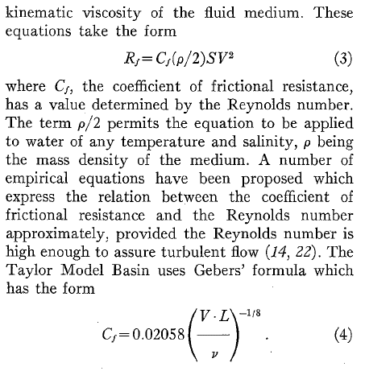
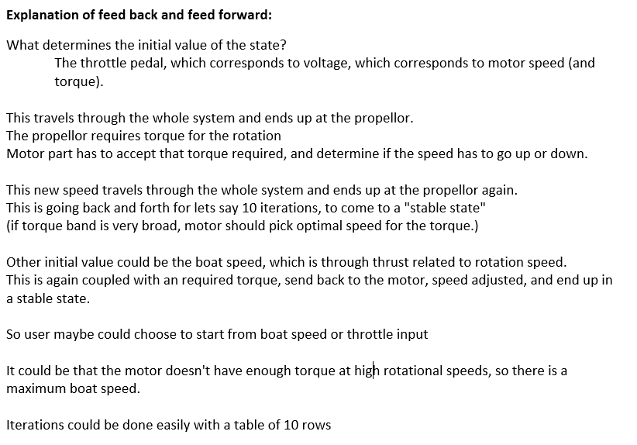
 |  |  |  |  |  |  | 23 | 6.39 | 12.42 | 292.23486402 | 52.212885122 | 0 | 344.44774914 | 362.57657805 | 0.092322729292 | 0.27699560943
 |  |  |  |  |  |  | 24 | 6.67 | 12.96 | 312.47698945 | 57.316595547 | 0 | 369.793585 | 389.25640526 | 0.092542439395 | 0.27730543614
 |  |  |  |  |  |  | 25 | 6.94 | 13.50 | 325.50589137 | 59.708181258 | 0 | 385.21407263 | 405.4884975 | 0.093272667436 | 0.27823432363
 |  |  |  |  |  |  | 26 | 7.22 | 14.04 | 338.52612703 | 62.096508508 | 0 | 400.62263553 | 421.70803741 | 0.092113947491 | 0.27580773067
 |  |  |  |  |  |  | 27 | 7.50 | 14.58 | 351.54636268 | 64.484835758 | 0 | 416.03119844 | 437.92757731 | 0.090260874525 | 0.2721786158
 |  |  |  |  |  |  | 28 | 7.78 | 15.12 | 364.56659834 | 66.873163009 | 0 | 431.43976135 | 454.14711721 | 0.088494461514 | 0.26868965945
 |  |  |  |  |  |  | 29 | 8.06 | 15.66 | 377.58683399 | 69.261490259 | 0 | 446.84832425 | 470.36665711 | 0.086807587169 | 0.26533289593
 |  |  |  |  |  |  | 30 | 8.33 | 16.20 | 390.60706965 | 71.649817509 | 0 | 462.25688716 | 486.58619701 | 0.085193994047 | 0.26210095195

old_rubbish
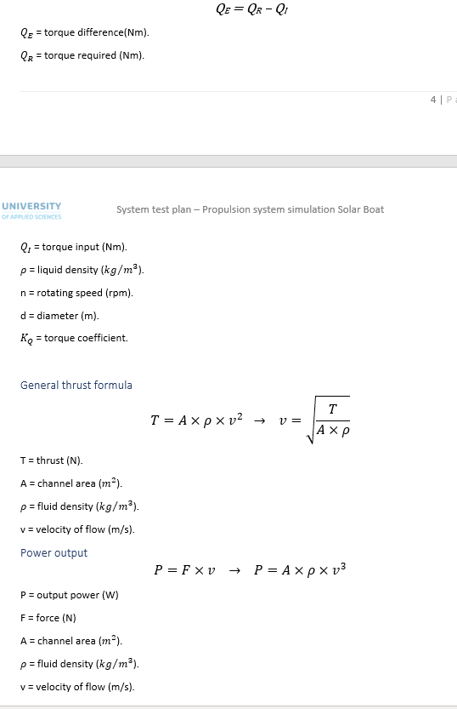
Input |  |  |  | Output
User variables |  |  |  | User output
Propellor diameter | dprop [m] | 0.38 |  | Thrust | Ft [N] | 2308.0896 | n=rev/s
Boat speed | v_boat [m/s] | 4 |  | Power req4speed | P_req [W] | 9232.3584 | wrong, not the same A
Propellor coefficient T | Kt | 0.085
Propellor coefficient Q | Kq | 0.0173 |  | Feedback to bearing
 |  |  |  | Rotation speed | ω_prop [rpm] | 2166.2979176 | starting speed
User properties |  |  |  | Torque required | T_req [Nm] | 40.697324144
Liquid density | ρ [kg/m^3] | 999 |  |  |  | 178.51036506 | using formula it is very different, why?
Channel area (water stream) | A [m^2] | 0.1444 | autocalc | Feed forward max T&P at given rpm | out of bearing part
 |  |  |  | Feed forward max torque at n | T_max [Nm] | 20
Input from bearing |  |  |  | Rotation speed | ω_prop [rpm] | 2166 | New speed related to torque
Rotation speed | ω_Bearing_out [rpm] | 700 |  | New power | P_max [W] | 4537.0837489
Torque | T_Bearing_out [Nm] | 15 |  | New thrust | Fnew [N] | 1437.3485363 | keeping F/v^2 constant
 |  |  |  | New boat speed | v_boatn [m/s] | 3.1565647678

 |  |  |  |  |  |  |  |  |  | Possible starting points
 |  |  |  |  |  |  | ω_prop | T_required_prop | ω_motorNew
 |  |  |  |  |  | 1
 |  |  |  |  |  | 2
 |  |  |  |  |  | 3
 |  |  |  |  |  | 4
 |  |  |  |  |  | 5
 |  |  |  |  |  | 6
 |  |  |  |  |  | 7
 |  |  |  |  |  | 8
 |  |  |  |  |  | 9
 |  |  |  |  |  | 10

